Graphs
 | AXLE LOAD DATA ANALYSIS (KAMPALA - GULU HIGHWAY)
Load Description (Kampala-Gulu Highway)
Truck Composition for Kampala - Gulu Highway
Vehicle Categories |  |  |  |  |  | Load Description
 | Truck Type | Kampala-Gulu | Gulu-Kampala | Both Directions |  | Category | Kampala-Gulu | Gulu-Kampala
7 | Light/Medium Trucks | 319 | 98 | 417 |  | Agricultural produce | 5.2% | 8.8%
9 | Heavy Trucks | 45 | 9 | 54 |  | Perishable | 0.0% | 0.0%
10 | Truck/Trailer | 96 | 41 | 137 |  | Construction Material | 11.1% | 33.8%
 | Totals | 460 | 148 | 608 |  | Metal/machinery | 2.2% | 2.0%
 |  |  |  |  |  | Forestry products | 0.0% | 0.0%
 |  |  |  |  |  | Fuels | 3.7% | 2.0%
 |  |  |  |  |  | Chemical Products | 0.2% | 0.7%
 |  |  |  |  |  | Livestock | 0.4% | 2.0%
 |  |  |  |  |  | Household retail products | 23.5% | 8.1%
 |  |  |  |  |  | Empty | 40.9% | 27.7%
 |  |  |  |  |  | Others | 12.6% | 14.9%
 |  |  |  |  |  | Total | 460 | 148

Average Truck Loading (Kampala - Gulu Higwhay)
Average Total Loading (Tonnes)
 | Truck Type | Kampala-Gulu | Gulu-Kampala | Both Directions | Limit
7 | Light/Medium Trucks | 11.2 | 14.8 | 13.0 | 18
9 | Heavy Trucks | 23.8 | 19.2 | 21.5 | 27
10 | Truck/Trailer | 63.6 | 50.5 | 57.0 | 54
 | Totals

 |  |  |  |  |  | Proportion of Overloaded Trucks
 |  |  |  |  |  |  | Truck Type | Kampala-Gulu | Gulu-Kampala | Both Directions
 |  |  |  |  |  |  | 0-4.9% | 60.2% | 51.4% | 55.8%
 |  |  |  |  |  |  | 5-25% | 3.5% | 12.8% | 8.2%
 |  |  |  |  |  |  | 25-50% | 11.1% | 12.8% | 12.0%
 |  |  |  |  |  |  | Over 50% | 25.2% | 23.0% | 24.1%
Percentage By Which Vehicles Are Overloaded (Kampala-Gulu)
 |  |  |  |  |  |  |  | 460 | 148

Average Proportion of Overloaded Trucks (Kampala-Gulu)
Proportion of Overloaded Trucks
 | Truck Type | Kampala-Gulu | Gulu-Kampala | Both Directions
7 | Light/Medium Trucks | 27.6% | 50.0% | 38.8%
9 | Heavy Trucks | 40.0% | 33.3% | 36.7%
10 | Truck/Trailer | 85.4% | 61.0% | 73.2%
 | Overall | 40.9% | 16.9%

KEY
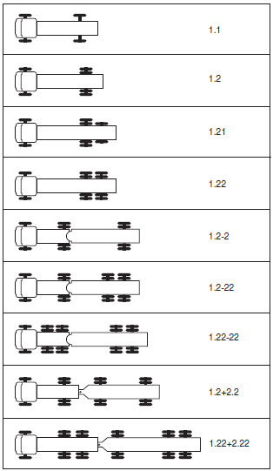
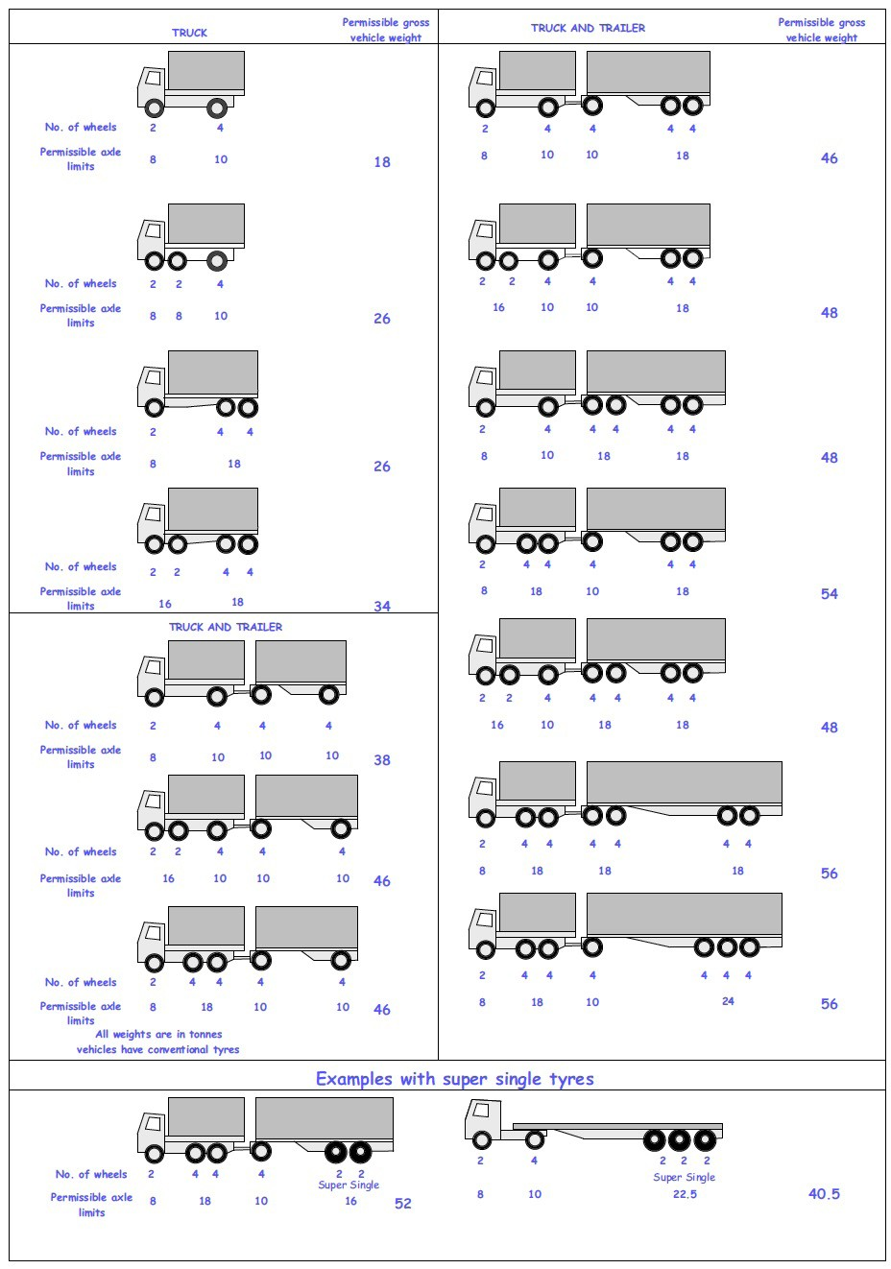
 |  |  |  |  | Axle Configuration
TRUCK TYPES |  |  |  |  | 2-Axles | 2-Axles | 3-Axle | 4-Axle | 5-Axle | 6-Axle | 7-Axle

7 | LIGHT SINGLE UNIT TRUCK-DYNAS AND TRACTORS(2 axles) |  |  |  | 1.1 | 1.2
8 | LIGHT/MEDIUM SINGLE UNIT TRUCKS (3 axles) |  |  |  |  |  | 1.22
9 | MEDIUM - SINGLE UNIT TRUCKS-LORRIES, FUSOS (4 axles) |  |  |  |  |  |  | 1.1-22
 |  |  |  |  |  |  |  | 1.222

10 | HEAVY TRUCK RIGID (5 axles) |  |  |  |  |  |  |  | 1.1-222
 |  |  |  |  |  |  |  |  | 1.2-222
 |  |  |  |  |  |  |  |  | 1.22-22
11 | TRUCK TRAILER AND SEMI TRAILER (6 axles) |  |  |  |  |  |  |  |  | 1.12-222
 |  |  |  |  |  |  |  |  |  | 1.22-222
 |  |  |  |  |  |  |  |  |  | 1.22+1-22
 |  |  |  |  |  |  |  |  |  | 1.22+2-22
 |  |  |  |  |  |  |  |  |  | 1.21-222
 |  |  |  |  |  |  |  |  |  | 1.22-111
12 | TRUCK TRAILER TYPE 2 (7 axles) |  |  |  |  |  |  |  |  |  | 1.11+11-11
 |  |  |  |  |  |  |  |  |  |  | 1.22+22-22
 |  |  |  |  |  |  |  |  |  |  | 1.12+11-22

 | 7. Light Truck
 | 8. Medium Truck
 | 9. Heavy truck
 | 10. Truck Trailer

 | 1*1 | Light Truck | 7 | 18
 | 1*2 | Light Truck | 7 | 18
 | 1*21 | Medium Truck | 8 | 26
 | 1*22 | Heavy Truck | 9 | 26
 | 1*2*2 | Truck Trailer | 10 | 46
 | 1*2*22 | Truck Trailer | 10 | 46
 | 1*22-22 | Truck Trailer | 10 | 46
 | 1*2*2*2 | Truck Trailer | 10 | 46
 | 1*22*2*22 | Truck Trailer | 10 | 46
 | 11*22 | Heavy Truck | 9 | 34

